Report Sheet
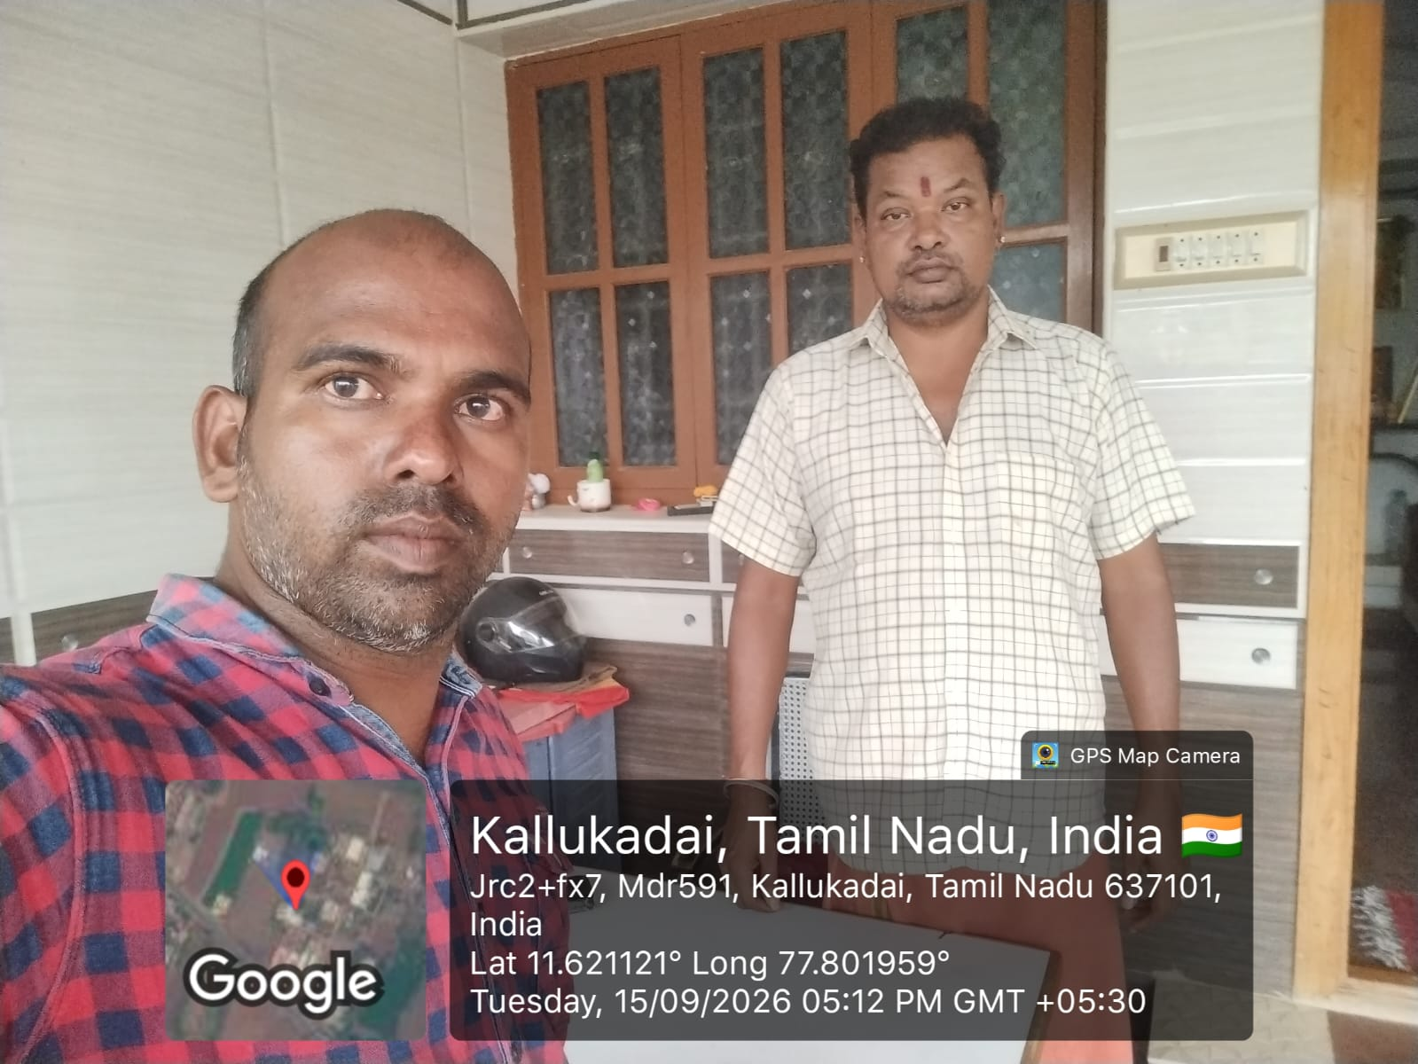
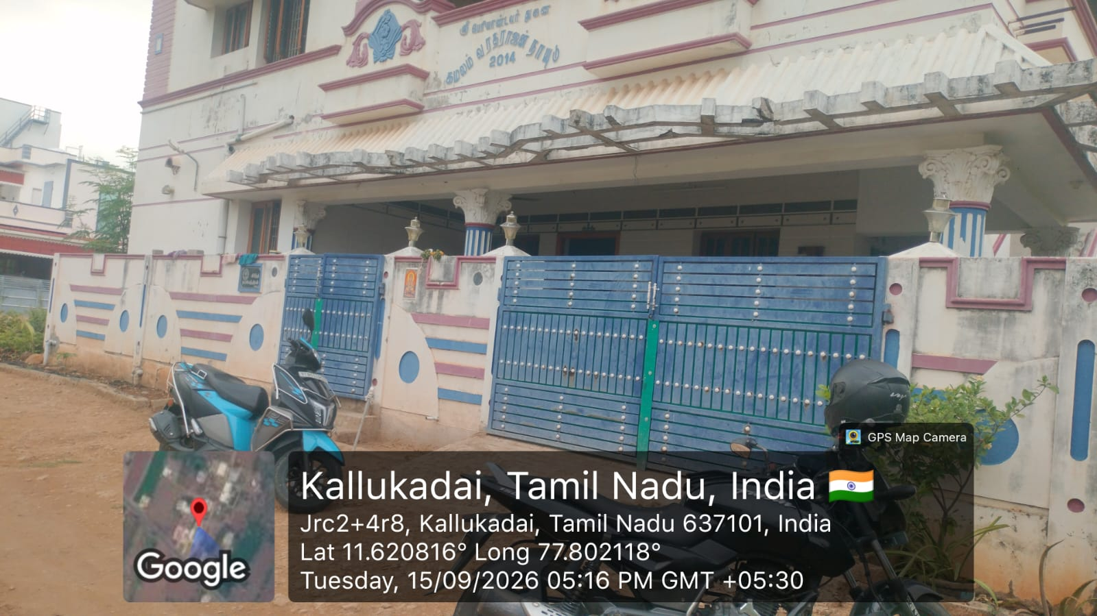
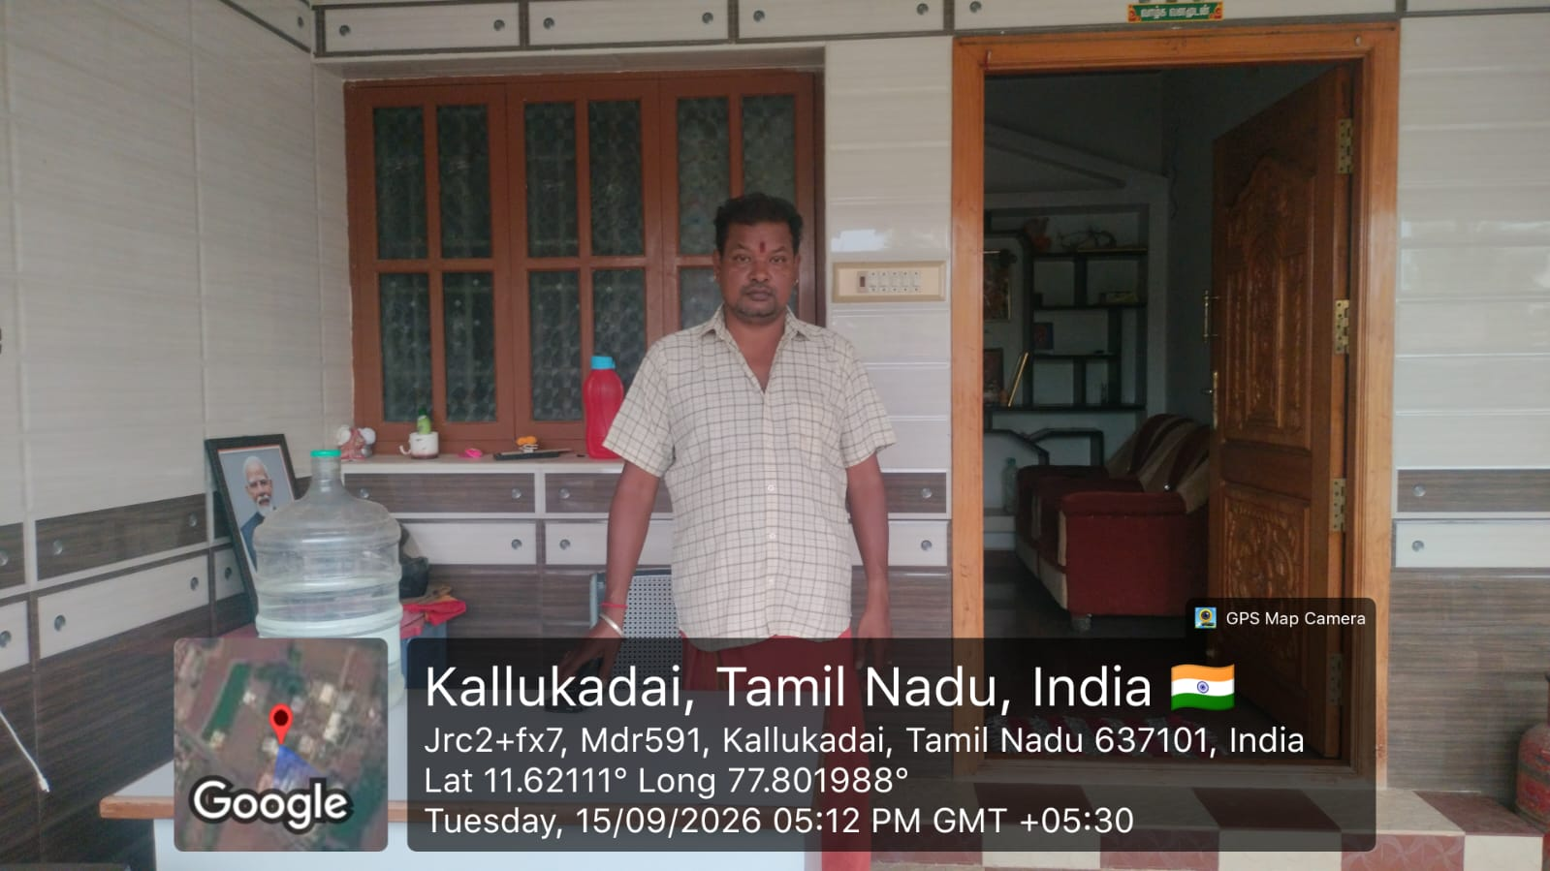
SKY LINE RISK AUDIT SERVICES
Client Name | Easy Home Finance Limited
Loan No | HL00107806
Applicant name | Raju Iyyar Vasudevan
Date of Pick up | 2026-09-11
Date Reported | 2026-09-16
Residential Address | NA
Office name | Rajiiyyar Vasudeva Astrology And Temple Priest
Office Address | 5/5/D,Kavan Flot,Morasapatti post,, Kalukadai bus stop Nadupatti Edappadi, Salem, Tamil Nadu , 637101
Contact no. | 918883687298
De-dup Check | Yes
De-dup Remark | No Record Found
Overall Status | Refer to credit
Verification Details
 | Applicant Name |  | Co-applicant Name 1 |  | Co-applicant Name 2
Employment Verification | NA | NA | NA | NA | NA | NA
Business Verification | Refer to credit | We visited the given business address for verification. The given address is a residential-cum-office setup, and no business name board was available at the location. We met the applicant, who confirmed that the house is a rented property with a monthly rent of approximately ₹12,000. He stated that he has been residing at the address for around 10 years. There are 4 family members, including the applicant, his wife, and two children. The applicant stated that he has been engaged in astrology and also works as a temple priest. He stated that he has been doing this work for around 20 years and provides astrology consultations from his residence. However, no business setup, stocks, or visible business activity were observed at the location during the visit. The applicant stated that he conducts astrology consultations by sitting at home. status: Refer to credit | NA | NA | NA | NA
Residence Verification | NA | NA | NA | NA | NA | NA
TPC Employment Verification | NA | NA | NA | NA | NA | NA
TPC Business Verification | Positive | We also conducted an enquiry with the nearby neighbours. They confirmed that the applicant provides astrology consultations from the given address | NA | NA | NA | NA
Bank Statement Verification | NA | NA | NA | NA | NA | NA
ITR | Positive | ITR Verification 1 : ITR in the Name of RAJU IYYAR VASUDEVAN Pan card number AFXPV6097G Acknowledgment no: 566109740160326 , with Income Tax Office for AY (2025-26) and found that total income amount is Rs. 707360/- and Tax paid Rs.15238/-, date of filing is 16-Mar-2026 is Matching with the Income tax, Status: Positive ITR Verification 2 : ITR in the Name of RAJU IYYAR VASUDEVAN Pan card number AFXPV6097G Acknowledgment no: 17937895OO7O726, with Income Tax Office for AY (2026-27) and found that total income amount is Rs. 952060/- and Tax paid Rs.0/-, date of filing is 07-Jul-2026 is Matching with the Income tax, Status: Positive | NA | NA | NA | NA
Others - site verification | NA | NA

AGENCY SEAL AND SIGNATURE

Applicant business Photo

